Q 2
Prev

Use text formulas to separate code and name

PARTY NAME | Code | Name | PARTY NAME | Code | Name
2898 - K.Harinath | 2898 | K.Harinath | 2898 - K.Harinath | 2898 | K.Harinath | *Example
12132 - Mr.B.Y.Ramachandra | 12132 | Mr.B.Y.Ramachandra
1313 - Ravi.S.Doddi | 1313 | Ravi.S.Doddi
12608 - R.Srinivasan - Managing Director | 12608 | R.Srinivasan - Managing Director
499 - H M Putta Swamy | 499 | H M Putta Swamy
2516 - Chairman | 2516 | Chairman
12332 - Mr.B.Y.Ramachandra | 12332 | Mr.B.Y.Ramachandra
40112 - Yashoda M Hegde | 40112 | Yashoda M Hegde
12878 - M/S.Lords - Sai Ma Hotels Pvt Ltd | 12878 | M/S.Lords - Sai Ma Hotels Pvt Ltd
12583 - Managing Director | 12583 | Managing Director
40807 - G.Balaji | 40807 | G.Balaji
40492 - La Classic Hotel | 40492 | La Classic Hotel
12988 - R.Ravinder Singh Huf | 12988 | R.Ravinder Singh Huf
2533 - Judekoshi Millers 46 Bar | 2533 | Judekoshi Millers 46 Bar

Q 4
Conditional Formatting |  |  |  |  |  | Example
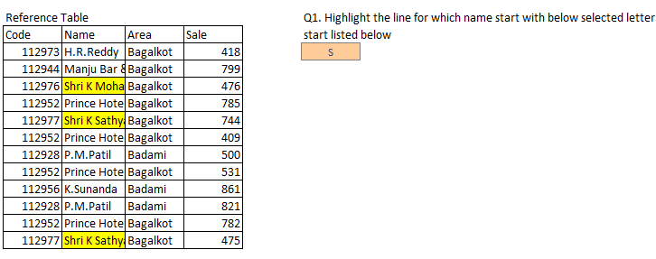
Reference Table |  |  |  | Q1. Highlight the line for which name start with below selected letter
Code | Name | Area | Sale | start listed below
112973 | H.R.Reddy | Bagalkot | 418 | P | P*
112944 | Manju Bar & Resturent Smt P A Kashigaon | Bagalkot | 799
112976 | Shri K Mohan | Bagalkot | 476
112952 | Prince Hotel Shri D A Patil | Bagalkot | 785
112977 | Shri K Sathyanarayana | Bagalkot | 744
112952 | Prince Hotel Shri D A Patil | Bagalkot | 409
112928 | P.M.Patil | Badami | 500
112952 | Prince Hotel Shri D A Patil | Bagalkot | 531
112956 | K.Sunanda | Badami | 861
112928 | P.M.Patil | Badami | 821
112952 | Prince Hotel Shri D A Patil | Bagalkot | 782
112977 | Shri K Sathyanarayana | Bagalkot | 475

Q 5
Prev
Next

Use Countif(s) Function

Reference Table
Code | Name | Area | Sale | Q1. Total count of Area named "Badami"
112973 | H.R.Reddy | Bagalkot | 418 | 3
112944 | Manju Bar & Resturent Smt P A Kashigaon | Bagalkot | 799
112976 | Shri K Mohan | Bagalkot | 476 | Q2. Total count of area named "Bagalkot"
112952 | Prince Hotel Shri D A Patil | Bagalkot | 785 | 9
12404 | H.H.Jyothendrasingh Jayamahal Hotel | Bagalkot | 744
12878 | M/S. Lords Sai Ma Hotels Pvt Ltd | Bagalkot | 409 | Q3. Total count of outlet(s) name start with "S" in "Bagalkot"
2533 | Judekoshi Millers 46 Bar | Badami | 500 | 2
12984 | M/S.Max Hypermarkets India (Pvt.) Limited | Bagalkot | 531
112956 | K.Sunanda | Badami | 861 | Q4. Total count of Outlet(s) whose sales < "500" "in Bagalkot"
112928 | P.M.Patil | Badami | 821 | 4
1313 | Ravi.S.Doddi | Bagalkot | 782
112977 | Shri K Sathyanarayana | Bagalkot | 475

